1. Title Page
Instacart Grocery Basket Analysis

Project Name: Instacart Grocery Basket Analysis
Date: 09/27/2022
Analyst Name: Victoria Zaturenskiy

Contents:
Population Flow
Consistency checks
Wrangling steps
Column derivations
Visualizations
Recommendations

“The Instacart Online Grocery Shopping Dataset 2017”, Accessed from https://www.instacart.com/datasets/grocery-shopping-2017 on August 22, 2022.

2. Population Flow
 |  |  | Title page

Population flow

Exclusion flag
Condition: max_order < 5
Obervations to be removed: 21
Final total count of order_products_all: 32,404,859

Orders_products_combined
Orders_products_merged
Orders_products_all

Total:
Total:
Total:
32,434,489 | 32,404,859 | 32,404,859

1.) The grey boxes in the first row of the population flow represent the original data sets as they were when you downloaded them. In the Total fields you need to add the count of the rows when you imported the data set into Jupyter.
2.) The second row of boxes (coloured) represents the data sets after you manipulated them, e.g., removed missing values and duplicates. In the Total fields you need to add the count of the rows after conducting these operations. This offers a visual oveview of how the data flows throughout the data consistency checks.
3.) The third row, where also the arrows are coloured, represents the merges you performed between the datasets. In the Total fields you need to add the count of the rows in the merged datasets, so that you end up with the final dataset (in the red box). Keep in mind the final dataset should be without exclusions (based on the exclusion flag).

3. Consistency checks
 |  |  |  |  | Title page
Consistency checks

Dataset | Column | Missing values | Missing values treatment | Duplicates
orders | days_since_last_order | 206,209 | Create a flag to distinguish the data about the first time and returning customers. | None
products | product_name | 16 | Created df without missing values | 5 found; new df created w/o duplicates
orders_products_prior | None | None | None | None
customers | first_name | Nan -11259 cases | No action, as there is no impact on the analysis (there is user_id as key idintifier of a customer). Will be removed later as part of PII. | None

4. Wrangling steps
 |  |  |  |  | Title page
Wrangling steps

Dataset | Columns dropped | Columns renamed | Columns' type changed | Comment/Reason
orders | eval_set |  |  | unnecessary column
 |  | order_dow => orders_day_of_week |  | name was not clear
 |  | days_since_prior_order => days_since_last_order |  | name was not clear
 |  |  | order_id into str | column acts as a key
 |  |  | user_id into str | column acts as a key
orders_products_combined | Unnamed: 0 |  |  | unnecessary column
customers |  | First Name => first_name |  | illogical name
 |  | Surnam => surname |  | illogical name
 |  | Gender => gender |  | illogical name
 |  | STATE => state |  | illogical name
 |  | Age => age |  | illogical name
 |  | n_dependants => no_of_dependants |  | illogical name
 |  | fam_status => marital_status |  | illogical name
 |  |  | first_name into str | mixed-type value
orders_products_all | first_name |  |  | PII issue
 | surname |  |  | PII issue

5. Column derivations
 |  |  |  |  | Title page

Column derivations and aggregations

In this tab you should add tables below that the frequences of flags/label variables that you produced after deriving them. NB: don't do this for continuous variables, only for flags.
Dataset | New column | Column/s it was derived from | Conditions | Code
orders_products_merged | price_range | prices | if prices <= 5, it'll be 'Low-range product' if prices > 5 and <= 15, it'll be 'Mid-range product' if prices > 15, it'll be 'High range product' | def price_label(row): if row['prices'] <= 5: return 'Low-range product' elif (row['prices'] > 5) and (row['prices'] <= 15): return 'Mid-range product' elif row['prices'] > 15: return 'High range' else: return 'Not enough data'
 | Busiest day | orders_day_of_week | if value = 0, it'll be "Busiest day" if value =3 or 4, it'll be "Slowest busy" if else, it'll be "Regularly busy" | for value in df_ords_prods_merged['orders_day_of_week']: if value in [0,1]: result2.append("Busiest days") elif value in [3,4]: result2.append("Slowest days") else: result2.append("Regularly busy")
 | busiest_period_of_day | order_hour_of_day | if value>=9 and value<=16, it'll be "Most orders" if value<=6, it'll be "Fewest orders" if else, it'll be "Average orders" | result3 = [] for value in df_ords_prods_merged['order_hour_of_day']: if value>=9 and value<=16: result3.append("Most orders") elif value<=6: result3.append("Fewest orders") else: result3.append("Average orders")
 | max_order | user_id, order_number | max number of orders for each user | ords_prods_merge['max_order'] = ords_prods_merge.groupby(['user_id'])['order_number'].transform(np.max)
 | loyality_flag | max_order | if max_order > 40, it'll be 'Loyal customer' if max_order <= 40 & > 10, it'll be 'Regular customer' if max_order <= 10, it'll be 'New customer' | ords_prods_merge.loc[ords_prods_merge['max_order'] > 40, 'loyalty_flag'] = 'Loyal customer' ords_prods_merge.loc[(ords_prods_merge['max_order'] <= 40) & (ords_prods_merge['max_order'] > 10), 'loyalty_flag'] = 'Regular customer' ords_prods_merge.loc[ords_prods_merge['max_order'] <= 10, 'loyalty_flag'] = 'New customer'
 | avg_price | user_id, prices | average price for each user's order | ords_prods_merge['avg_price'] = ords_prods_merge.groupby(['user_id'])['prices'].transform(np.mean)
 | spender_flag | avg_price | if avg_price >= 10, it'll be 'High spender' if avg_price < 10, it'll be 'Low spender' | ords_prods_merge.loc[ords_prods_merge['avg_price'] >= 10, 'spender_flag'] = 'High spender' ords_prods_merge.loc[ords_prods_merge['avg_price'] < 10, 'spender_flag'] = 'Low spender'
 | median_order_duration | user_id, days_since_last_order | median number of days since last order | ords_prods_merge['median_order_duration'] = ords_prods_merge.groupby(['user_id'])['days_since_last_order'].transform(np.median)
 | Frequency_flag | median_order_duration | if median_order_duration >20, it'll be 'Non-frequent customer' if median_order_duration >10) & <=20, it'll be 'Regular customer' if median_order_duration <=10, it'll be 'Frequent customer' | ords_prods_merge.loc[ords_prods_merge['median_order_duration']>20,'Frequency_flag'] ='Non-frequent customer' ords_prods_merge.loc[(ords_prods_merge['median_order_duration']>10) & (ords_prods_merge['median_order_duration']<=20), 'Frequency_flag'] = 'Regular customer' ords_prods_merge.loc[ords_prods_merge['median_order_duration']<=10,'Frequency_flag'] ='Frequent customer'
df_final | total_orders | user_id, count of user_id | number of orders made by user | df['total_orders']=df.groupby(['user_id']).user_id.transform('count')
 | activity_flag | total_orders | if total_orders < 5, it'll be 'Low Activity' if else, it'll be 'Regular Activity' | results_2=[] for total in df['total_orders']: if total < 5: results_2.append('Low Activity') else: results_2.append('Regular Activity')
 | region | state | states combined into the corresponding regions | result=[] for state in df['state']: if state in Northeast: result.append('Northeast') elif state in Midwest: result.append('Midwest') elif state in South: result.append('South') else: result.append('West')
 | age_group | age | Age range 1 = Young Adult >= 18 & <35 Age range 2 = Adult >=35 & <65 Age range 3 = Senior >= 65 | df.loc[(df['age'] >= 18) & (df['age'] <= 35), 'age_range'] = '1' df.loc[(df['age'] > 35) & (df['age'] < 65), 'age_range'] = '2' df.loc[(df['age'] >= 65), 'age_range'] = '3' df['age_range'].value_counts()
 | Income_flag | income | Less than 50,000 = Low Income Between 50,000 - 120,000 = Middle Income Above 120,000 = High Income | df.loc[df['income']<50000, 'Income_flag'] = 'Low Income' df.loc[(df['income']>=50000) & (df['income']<=120000), 'Income_flag'] = 'Middle Income' df.loc[df['income']>120000, 'Income_flag'] = 'High Income' df['Income_flag'].value_counts(dropna = False)
 | Dependent_flag | no_of_dependants | Customers with 0 dependents = no dependents Customers with 1 or more dependents = has dependent/s | df.loc[df['no_of_dependants']== 0, 'Dependent_flag'] = 'No Dependents' # Create flag for 1 or more dependents df.loc[df['no_of_dependants'] > 0, 'Dependent_flag'] = 'Has Dependent/s'
orders | Time_of_day | order_hour_of_day | Time of day breakdown: 12:00 am - 05:59 am = Night 06:00 am - 11:59 pm = Morning 12:00 pm - 04:59 pm = Afternoon 05:00 pm - 11:59 pm = Evening | df_ord.loc[(df_ord['order_hour_of_day'] > 0) & (df_ord['order_hour_of_day'] < 6), 'Time_of_day'] = 'Night' df_ord.loc[(df_ord['order_hour_of_day'] >= 6) & (df_ord['order_hour_of_day'] < 12), 'Time_of_day'] = 'Morning' df_ord.loc[(df_ord['order_hour_of_day'] >= 12) & (df_ord['order_hour_of_day'] < 17), 'Time_of_day'] = 'Afternoon' df_ord.loc[(df_ord['order_hour_of_day'] >= 17) & (df_ord['order_hour_of_day'] < 0), 'Time_of_day'] = 'Evening' df_ord['Time_of_day'].value_counts()

6. Visz & Recommendations
 | Title page

Recommendations

In this tab you should include all the visualtions from Exercises 4.9 and 4.10, alongside the questions from the project brief that they answer. Include any commentary on the relationship between different variables. Include any recommendations you would made to Instcart in terms of their marketing strategy based on the questions posed in the brief. Every key question has been covered in the Tasks of the Exercises. Please, list the questions below and add the answer underneath.

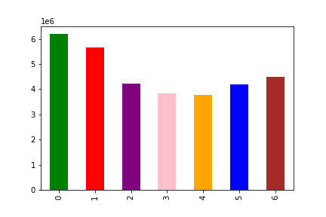
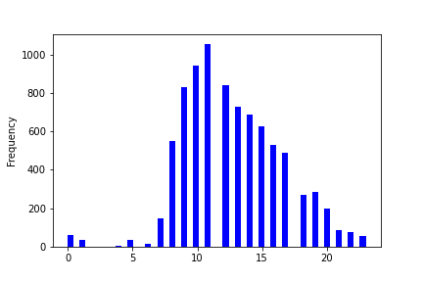
Questions
Key Question 1: The sales team needs to know what the busiest days of the week and hours of the day are (i.e., the days and times with the most orders) in order to schedule ads at times when there are fewer orders.

Sat, Sun, Fri are the busiest days of the week. Ads should be scheduled during less busiest days (week days).
Most sales are done close to 11am with subsequent decline after noon. Sales activity at night is insignificant but still exists. It'd recommended to schedule ads outside of the highest sales period.

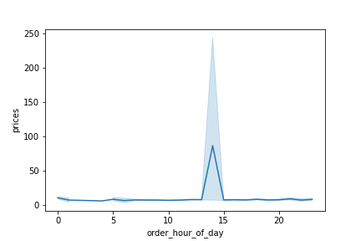
Key Question 2: They also want to know whether there are particular times of the day when people spend the most money, as this might inform the type of products they advertise at these times.
The chart shows the mean price of goods purchased per each hour of the day. The sales with the highest prices are done around noon with the peak approximately at 2pm. Recommendation to promote goods during TV "peak hour" in the evenings.


Key Question 3: Instacart has a lot of products with different price tags. Marketing and sales want to use simpler price range groupings to help direct their efforts.
The histogram shows the distribution for prices:
If prices <= 5, it'll be labelled as 'Low-range product'
If prices > 5 and <= 15, it'll be labelled as 'Mid-range product'
If prices > 15, it'll be labelled as 'High range product'
Recommendation to analyze what's the total share of each range group product.

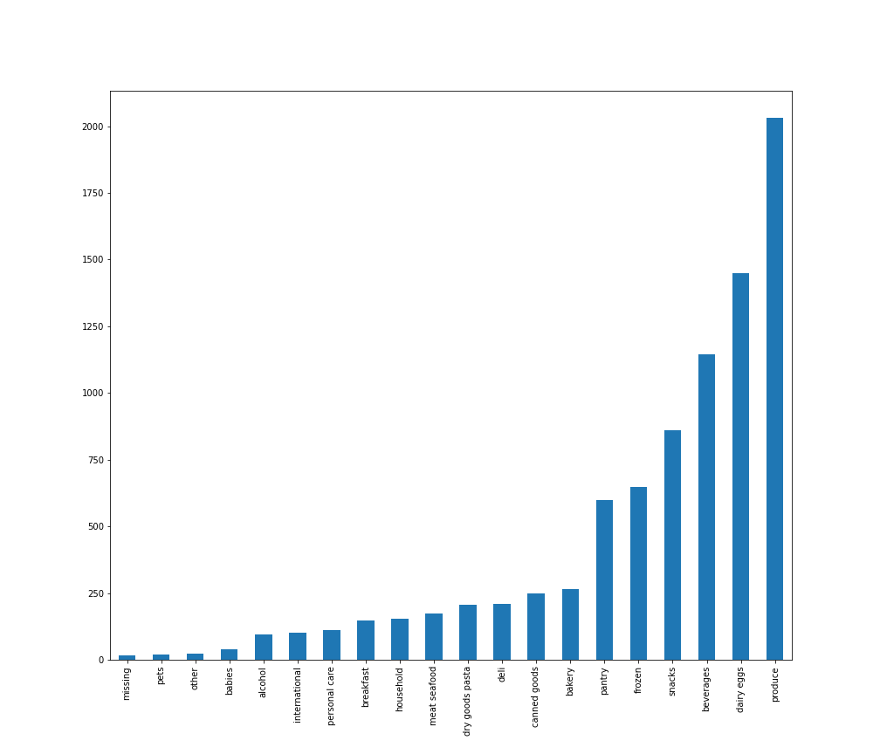
Key Question 4: Are there certain types of products that are more popular than others? The marketing and sales teams want to know which departments have the highest frequency of product orders.
Produce department, followed by Dairy Eggs department have the largest number of orders. The fewest orders are from Pets department. Recommendations:
- if the stradegy allows, promote less popular goods from the corresponding departments;
- analyze the stock of goods and promote those goods which inventory is high.

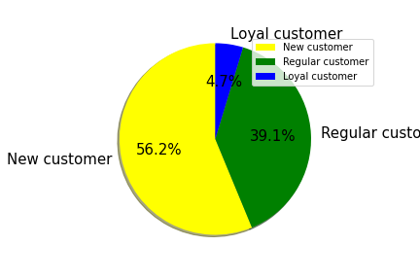
Key Question 5: The marketing and sales teams are particularly interested in the different types of customers in their system and how their ordering behaviors differ. For example: What’s the distribution among users in regards to their brand loyalty (i.e., how often do they return to Instacart)?
New customers have the biggest share of total customers. There are more regular customers than loyal customers. Ads should be targeted at new and regular customers to make them loyal customers.

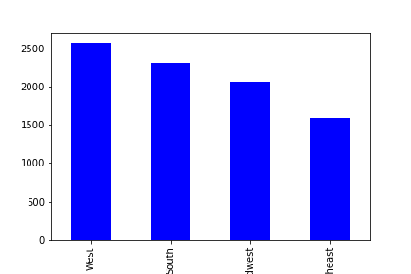
Key Question 6: Are there differences in ordering habits based on a customer’s loyalty status? 6.1 Differences in ordering habits based on a customer’s region:
Most customers are from West, followed by South. The minority of customers are from Northeast. Targeted ads can be used to improve sales in the less popular regions.

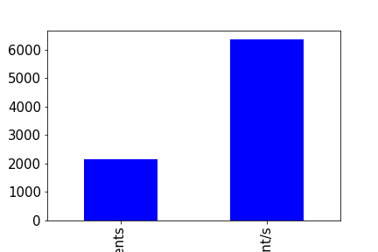
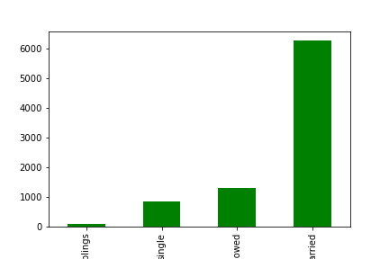
6.2: Connection between age and family status in terms of ordering habits?
Note: Instacart is a real company that’s made their data available online. However, the contents of this project brief
have been fabricated for the purpose of this Achievement.

Married customers do more orders. The fewest orders are made by customers living with parents are siblings.

Customers with dependents do more orders than individuals without dependent.
The chart on the right shows the frequency of orders made by both of those groups.

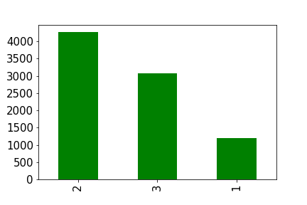
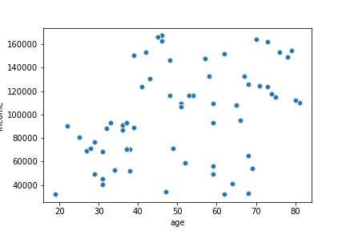
6.3: Different classifications the demographic information suggests:

Age: Age range 1 = Young Adult >= 18 &<35
Age range 2 = Adult >=35 & <65
Age range 3 = Senior >= 65
The majority of Instacart customers are within age range 35-65, folowed by senior group and then - by young adults.
Income: The customers of age group 25-40 have income up to $100,000. The income of 40+ group almost doubles. The higher the age, the higher is the spending power. The highest spending power belongs to around 50 and 70 year olds.

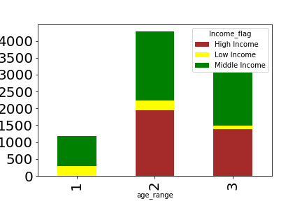

Income: Highest income customers are in age group 2 (35-65). Lowest level of low income customers are in group 3 (65 and older).

6.4: What differences can you find in ordering habits of different customer profiles? Consider the price of orders, the frequency of orders, the products customers are ordering, and anything else you can think of.
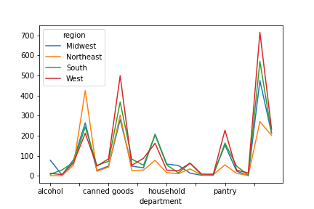

The line chart shows the frequency of orders made for each department in each region. We can see that, for example, West customers prefer goods from Pantry department more than South or Northeast customers. Further analysis in terms of the most/less popular department can be done for each region.

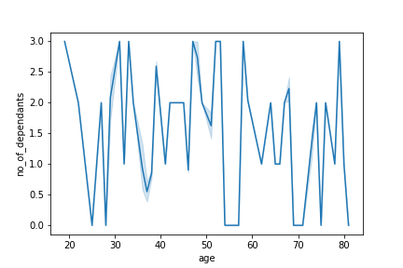

There is no clear trend or connection between age and family dependents for Instacart customers.

